Exisiting2DrawerDresser
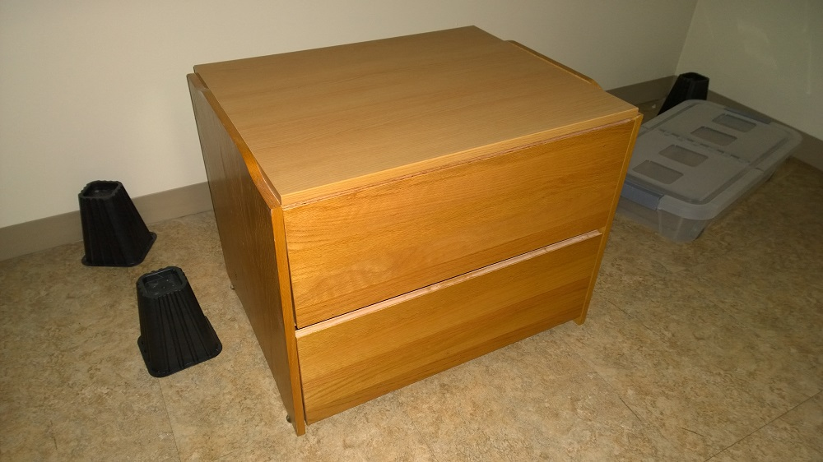

Click here to return to Furniture Count Page

ExistingSofa
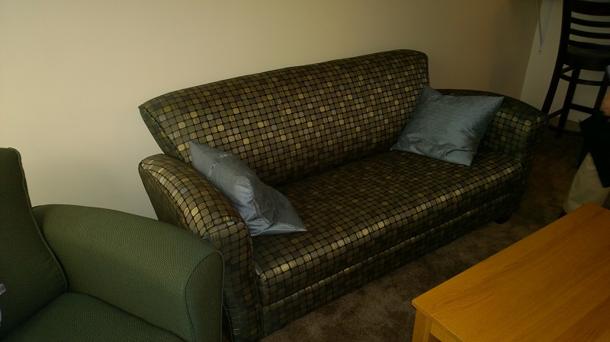

Click here to return to Furniture Count Page

ExistingSoftSeat
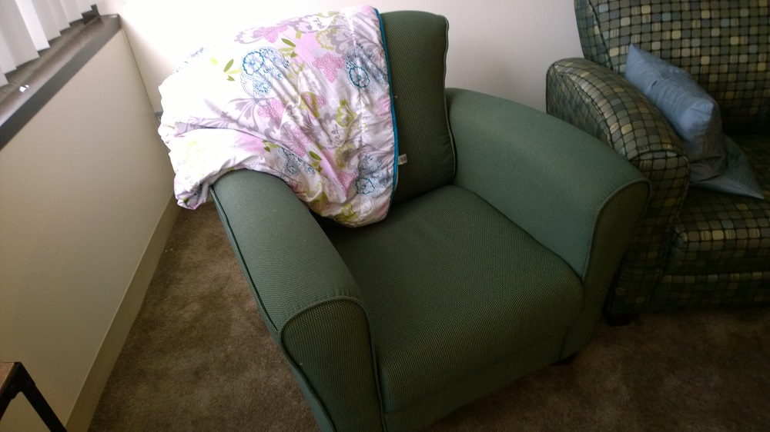

Click here to return to Furniture Count Page

Existing Coffeetable
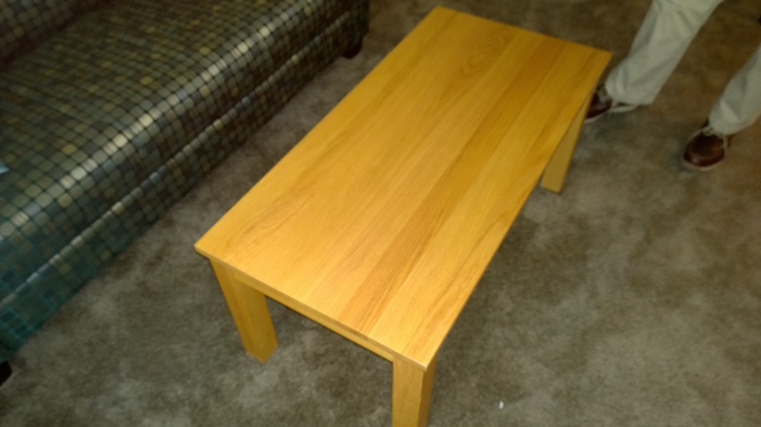

Click here to return to Furniture Count Page

ExistingHighChairs
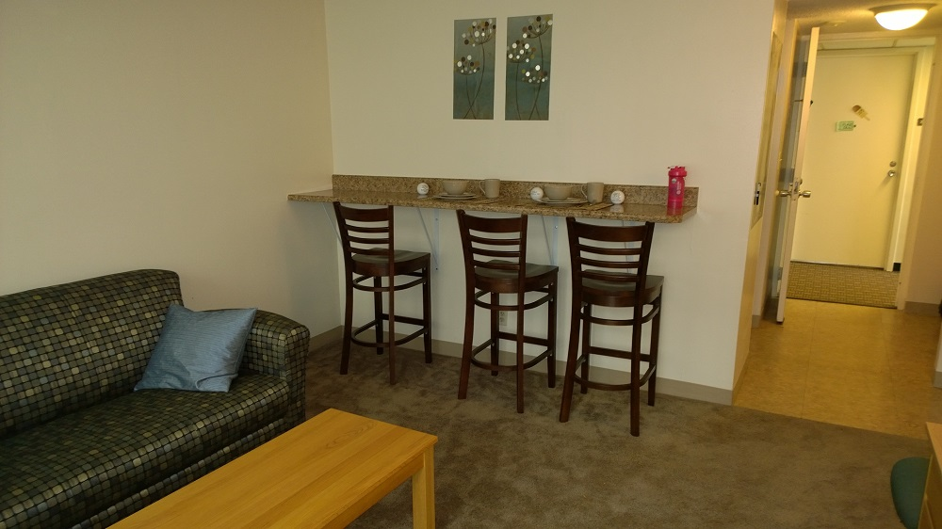

Click here to return to Furniture Count Page

ExistingDesk&DeskChair
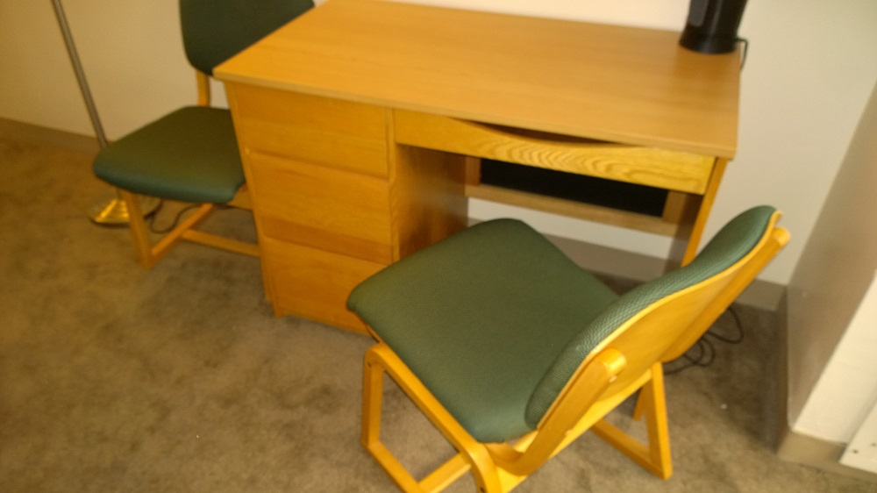

Click here to return to Furniture Count Page

ExistingBedding
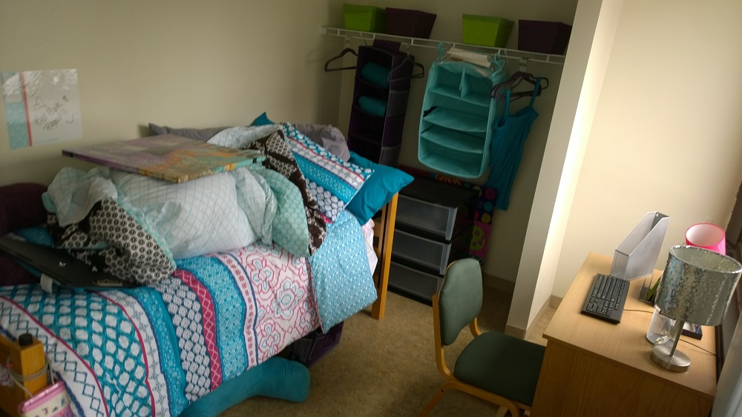

Click here to return to Furniture Count Page

